Sheet1
 |  | Document No. | Issue No. |  | Issue Date |  |  | Review and Replace Date |  |  | Authorised By
 |  | GFF432MC | 1 |  | 19.03.2024 |  |  | New Doc |  |  | Magda Shah
 |  | Document Title | Butter Chicken with Aromatic Rice| 350g
Document amendments reason for change |  | New Launch |  |  | Page 1 of 1 |  | Previous Issue Date |  | New Doc |  | Uncontrolled copy unless signed original

CCBUR1-R8T | Gazebo Cuisine |  | Butter Chicken with Aromatic Rice| 350g
STEP 1
 |  |  |  |  |  | 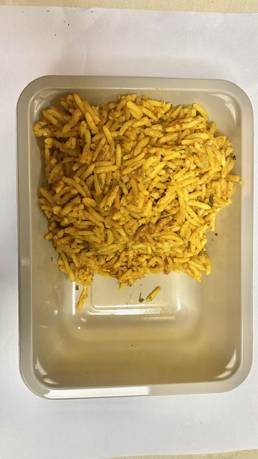

COOK
+
14 DAYS

Tray: EVOLVE CPET 2171-1F FROST (PKRHP001-14) |  |  |  |  |  | Aromatic Rice (GFF471R): 200g
Film: K Peel 3G 25µm (275mmX1000lm) (PKKMP001-04)
STEP 3 |  |  |  | STEP 4 |  |  |  |  |  | STEP 5
Add SPORK inside the tray before sealing
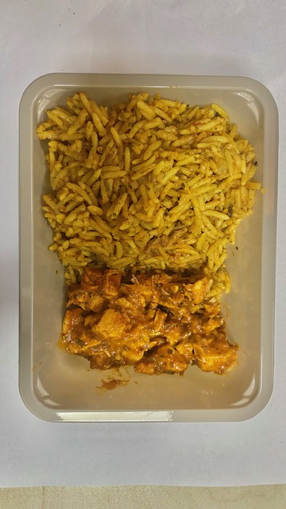 |  |  |  | 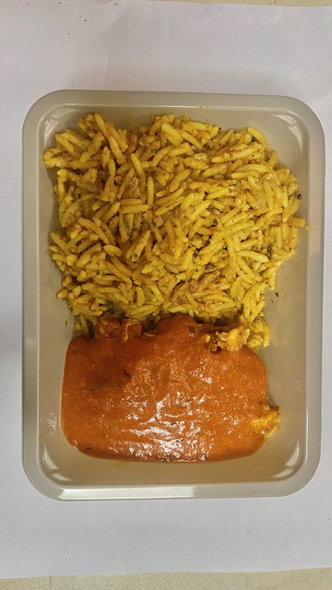 |  |  |  |  |  | 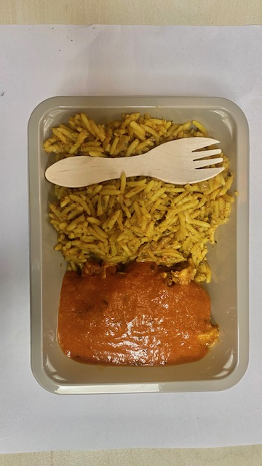

Cooked Spicy Chicken (GFF472R): 50g |  |  |  | Makhani Sauce (MD): 100g (GFF473R) |  |  |  |  |  | Total Weight: 350g

ALLERGY ALERT: Milk

